2021 Payment Schedule
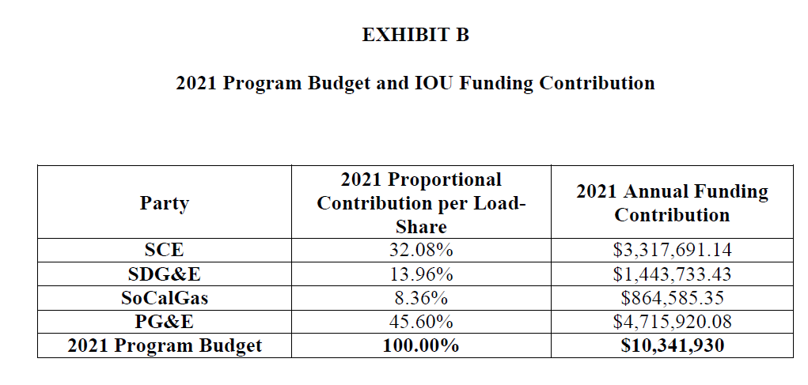
2021 Payment Schedule Reflecting Months Payments Received
SDG&E SW HVAC Program
Parties | Annual Funding Contribution per Load-Share | 2021 Annual Funding Contribution | 2021 Funding/Payments
 |  |  | Funding/Payment | Funding/Payment | Funding/Payment | Funding/Payment | Funding/Payment | Funding/Payment | Funding/Payment | Total
 |  |  | 2021-06-15 | 2021-07-15 | 2021-08-15 | 2021-09-15 | 2021-10-15 | 2021-11-15 | 2021-12-15
SCE | 32.08% | $3,317,691.14 | 473,955.88 | 473,955.88 | 473,955.88 | 473,955.88 | 473,955.88 | 473,955.88 | 473,955.86 | 3,317,691.14
SDG&E | 13.96% | $1,443,733.43 | 206,247.63 | 206,247.63 | 206,247.63 | 206,247.63 | 206,247.63 | 206,247.63 | 206,247.65 | 1,443,733.43
SCG | 8.36% | $864,585.35 |  | 247,024.38 | 123,512.19 | 123,512.19 | 123,512.19 | 123,512.19 | 123,512.21 | 864,585.35
PG&E | 45.60% | $4,715,920.08 | 673,702.87 | 673,702.87 | 673,702.87 | 673,702.87 | 673,702.87 | 673,702.87 | 673,702.86 | 4,715,920.08
Total | 100.00% | $10,341,930.00 | $1,353,906.38 | $1,600,930.76 | $1,477,418.57 | $1,477,418.57 | $1,477,418.57 | $1,477,418.57 | $1,477,418.58 | $10,341,930.00

