1. Instructions
Renewable Products Offer Form (2020 RPS REC Sale RFP) | 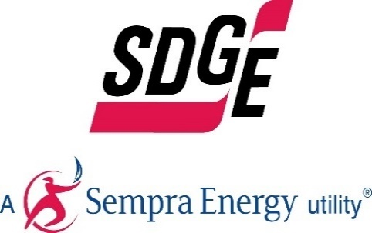

General Instructions

Form Field Key:
Free Form Field
Pull Down Menu

Instructions:
- Follow instructions as they appear in each fields' comments or pop-up messages
- Complete ALL fields. Enter N/A if the question is not applicable. Don't put units in the cells, just the raw numbers. (i.e. 10, not 10 MWh)
- Fill out all fields in the units requested
- Do not add, change, or move any cells, rows, columns or worksheets in the workbook
- Confidential Information should be entered in Red Font
- Limit and focus the discussion of the free form fields
- Submit One Offer Form per offer variation
- There is no limit on the number of Forms that can be submitted. Therefore, respondents are encouraged, but not required, to submit additional offers for our consideration, such as bids with different tenors and escalators

2. Contact Information
Renewable Products Offer Form (2020 RPS REC Sale RFP) |  | 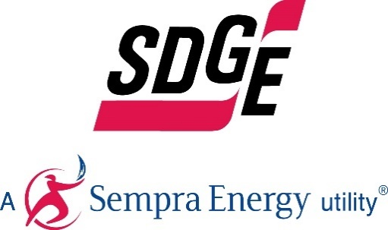

Company Information
Company Name Submitting Offer:
Company Name on Potential Contract:
Company Address:
Company City
Company State
Company Zip
Company Country
Is the company Women/Minority/Disabled Veteran owned Business Enterprise as per CPUC General Order 156?
How did the company hear of the RFP? (SDG&E website, SDG&E email, Colleague, Other (please elaborate)
Does the Developer have the appropriate experience?

Company Representative
 | Primary Contact | Secondary Contact
Contact Name:
Contact Title:
Office Number:
Cell Number:
Email:
Is the Respondent an affiliate of SDG&E?
Does the Respondent have one or more contracts with SDG&E?

Corporate Profile and Experience
Describe your corporate background and organizational structure for the project. Please submit a complete organizational chart with all affiliates and parents.
You must list all companies who participated in putting together this offer and who helped prepare documents.

3. Product & Bid Information
Renewable Products Offer Form (2020 RPS REC Sale RFP) |  |  |  |  | 

Product Information
Product Type: | Bundled Energy Products
Firm or Unit Contingent: | Firm
Point of Delivery: | SP-15 EZ Gen Hub (Bundled)

Comments / Other Information
Is there additional relevant information necessary for SDG&E to evaluate the merits of the proposal?

Quantitative Description
Provide Bid Quantity and Bid Price in the schedule below.

(Please note that all bids with delivery terms more than 1 year will bid in as unit contingent.)

Monthly |  |  | Annually
Date | Bid Quantity (RECs or MWhs) | Premium ($/MWh) | Date | Bid Quantity (RECs or MWhs) | Premium ($/MWh)
Jan-2021 |  |  | 2021
Feb-2021 |  |  | 2022
Mar-2021 |  |  | 2023
Apr-2021 |  |  | 2024
May-2021 |  |  | 2025
Jun-2021 |  |  | 2026
Jul-2021 |  |  | 2027
Aug-2021 |  |  | 2028
Sep-2021 |  |  | 2029
Oct-2021 |  |  | 2030
Nov-2021
Dec-2021
Jan-2022
Feb-2022
Mar-2022
Apr-2022
May-2022
Jun-2022
Jul-2022
Aug-2022
Sep-2022
Oct-2022
Nov-2022
Dec-2022
Jan-2023
Feb-2023
Mar-2023
Apr-2023
May-2023
Jun-2023
Jul-2023
Aug-2023
Sep-2023
Oct-2023
Nov-2023
Dec-2023
Jan-2024
Feb-2024
Mar-2024
Apr-2024
May-2024
Jun-2024
Jul-2024
Aug-2024
Sep-2024
Oct-2024
Nov-2024
Dec-2024
Jan-2025
Feb-2025
Mar-2025
Apr-2025
May-2025
Jun-2025
Jul-2025
Aug-2025
Sep-2025
Oct-2025
Nov-2025
Dec-2025
Jan-2026
Feb-2026
Mar-2026
Apr-2026
May-2026
Jun-2026
Jul-2026
Aug-2026
Sep-2026
Oct-2026
Nov-2026
Dec-2026
Jan-2027
Feb-2027
Mar-2027
Apr-2027
May-2027
Jun-2027
Jul-2027
Aug-2027
Sep-2027
Oct-2027
Nov-2027
Dec-2027
Jan-2028
Feb-2028
Mar-2028
Apr-2028
May-2028
Jun-2028
Jul-2028
Aug-2028
Sep-2028
Oct-2028
Nov-2028
Dec-2028
Jan-2029
Feb-2029
Mar-2029
Apr-2029
May-2029
Jun-2029
Jul-2029
Aug-2029
Sep-2029
Oct-2029
Nov-2029
Dec-2029
Jan-2030
Feb-2030
Mar-2030
Apr-2030
May-2030
Jun-2030
Jul-2030
Aug-2030
Sep-2030
Oct-2030
Nov-2030
Dec-2030

