1. Instructions
Renewable Products Offer Form | 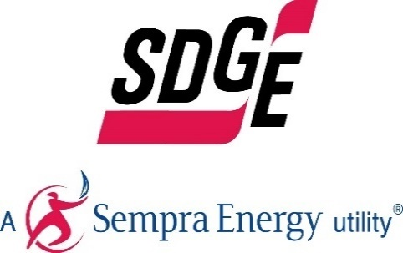

General Instructions

Form Field Key:
Free Form Field
Pull Down Menu
Calculated Field
Comment Field

Instructions:
- Follow instructions as they appear in each fields' comments or pop-up messages
- Complete ALL fields. Enter N/A if the question is not applicable. Don't put units in the cells, just the raw numbers. (i.e. 10, not 10 Mwah)
- Fill out all fields in the units requested
- Do not add, change, or move any cells, rows, columns or worksheets in the workbook
- Confidential Information should be entered in Red Font
- Limit and focus the discussion of the free form fields
- Submit One Offer Form per offer variation
- There is no limit on the number of Forms that can be submitted. Therefore, respondents are encouraged, but not required, to submit additional offers for our consideration, such as bids with different tenors and escalators

2. Contact Information
Renewable Products Offer Form |  | 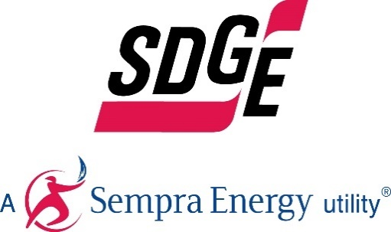

Company Information
Company Name Submitting Offer:
Company Name on Potential Contract:
Company Address:
Company City
Company State
Company Zip
Company Country
Is the company Women/Minority/Disabled Veteran owned Business Enterprise as per CPUC General Order 156?
How did the company hear of the RFO? (SDG&E website, SDG&E email, Colleague, Other (please elaborate)
Does the Developer have the appropriate experience?

Company Representative
 | Primary Contact | Secondary Contact
Contact Name:
Contact Title:
Office Number:
Cell Number:
Email:
Is the Respondent an affiliate of SDG&E?
Does the Respondent have one or more contracts with SDG&E?

Corporate Profile and Experience
Describe your corporate background and organizational structure for the project. Please submit a complete organizational chart with all affiliates and parents.
Describe project team’s background and experience developing projects of a similar nature and technology. How many MW total are currently under construction? Please submit bios for key personnel involved in the project.
List and describe other projects of a similar nature and technology developed by Respondent currently in operation. What are the total MW of projects installed?
You must list all companies who participated in putting together this offer and who helped prepare documents. This includes engineering consultants, interconnection consultants, land consultants, etc.

3. Project Description
Renewable Products Offer Form | 

Project Information
Project Name:
Site Name
Project Latitude
Project Longitude
Project Parcel Number
Project Address
Project City (closest city to proposed site)
Project State
Project Zip
Project County
Project Country
CREZ

Quantitative Description
Technology :
Technology Sub-type
Expected Number of Solar Panels or Wind Turbines: | 0
Turbine/Panel Manufacturer, model # and rating | Company X Model Y, 300 W
Total Solar Panel Nameplate Capacity (MWdc), Total Maximum Wind Turbine Power Curve Output (MWac), Total Maximum Generator Output (MWac): | 0
Total Inverter Nameplate AC Capacity (MWac) or Nameplate Turbine Output (MWac): | 0
Contract Capacity at the Delivery Point, net of all plant losses (MWac): | 0
Capacity Factor:
Solar Tracking system Manufacturer and Model Number (Solar Only):
Total Project Area (acres):
Product Category:
Type of Product Offered
Expected PCC Classification of Project's Product
Resource Origin:
If this is an existing project, when is the current PPA scheduled to end
Program Origination
Project Control Timescales

Qualitative Description
Describe merits of proposed site/location.
Discuss status of site control, including required easements. Site control documentation should be in the name of the entity that will sign the PPA. If not, please provide explanation. Note: if shortlisted, Respondent’s site control documents must be: 1) in the name of the same entity that will execute the PPA, or 2) shall have been assigned to such entity by the time Respondent accepts its position on the shortlist.
State and explain the percentage of site control that has been achieved.
Discuss the viability of proposed technology and credibility of the manufacturer:
Discuss operational reliability of proposed technology and manufacturer:
How many projects and MWs with proposed technology have been installed worldwide? Discuss year(s) of installation, project locations, project size at each location and operational success.
Discuss and provide published reports demonstrating that the proposed technology is commercially proven.
Described the warranty of major components, including panels and inverters.
Explain how the Respondent has operational control of the project. Either through contractual operational control of the project, or if the Respondent is the project operator.
Discuss the project’s financing plan and status, including on-going debt/equity ratio to be carried by the project during construction (if a new facility) and during operation, sources of debt and equity, equity percentage by sponsor, financing organizations (including rates and terms), level of commitment by investors and lenders. If anticipating the need for subsidies, grants, Production Tax Credits, Investment Tax Credits or any other third party monetary awards, detail finances associated with monetary awards and discuss how the lack of funding shall impact the offer and deadlines for obtaining such awards.
Discuss operational characteristics including required maintenance, delivery profile (peak and off-peak, hourly, daily, seasonal, annual), curtailability and dispatchability.
For excess sales bids: include details on onsite load estimates and meter configuration (if CAISO meter reflects subtraction of customer onsite load from Project output).
Explain in detail the contributions the project will make to the local community. (i.e. utilizing local resources and employing local hires).
SDG&E's customers have many other regulatory mandates (e.g. LCR, resource adequacy requirements). Please describe and highlight how your project may contribute to fulfilling multiple CPUC mandates.
Please describe any new and unique attributes your project may have that could benefit SDG&E's customers in other ways, such as smart inverters that can be used for voltage support.
Please describe how your project may help SDG&E with its Electric Vehicle (EV) program and EV adoption in our service territory.
Please describe how your project may help achieve city and community climate action plan goals within SDG&E service territory.
Is there additional relevant information necessary for SDG&E to evaluate the merits of the proposal.

4. Interconnection
Renewable Products Offer Form |  |  | 

Electrical Interconnection

Interconnection Request Type:
Interconnection Status
If the project has a completed deliverability study, please provide the estimated date for completion of the deliverability upgrades.
Where the Project's is Interconnected
Balancing Authority (BA)
Under what tariff did you submit an interconnection Request?
Date Application Filed
Queue Position Number (if assigned), and Cluster Number
Interconnection Point
City of Interconnection Point (Closest City)
Expected Interconnection COD Date
Interconnection Voltage Level
Interconnection Level
Participating Transmission Owner (PTO)
CAISO Board Approval Status
Status of System Impact Study / Phase I Study
Status of Facility Study / Phase II Study
Highest Level of Transmission Upgrade Progress (Project-Specific)

 |  | List document and page number where this number is taken from | If the value is different than listed in the Study, please explain why?
Non-Reimbursable Interconnection Costs Listed in the Study (in $). | $-
Reimbursable Interconnection Costs Listed in the Study (in $). | $-
How much in non-reimbursable interconnection cost is assumed in your bid price? | $-

Discuss interconnection plan and status, including FCDS status. (Even if application has not been submitted.)
Please identify any termination clauses or other potential issues with existing Interconnection Agreements (for existing only)

5. PPA Summary
Renewable Products Offer Form |  | 

PPA Summary

Will this project sell 100% of its output to SDG&E and purchase any energy needed to serve onsite load from SDG&E or other utility (full buy/sell) or will it serve onsite load and sell excess to SDG&E (excess sales)?
Who will be Scheduling Coordinator for the Project?
Delivery Term (years) | 1 | Can only be 10, 15, or 20 years
CPUC Approval Security | $100,000.00 | PPA Section 8.3 Performance Assurance
Development Period Security | $- | PPA Section 8.3 Performance Assurance
Construction Period Security | $- | PPA Section 8.3 Performance Assurance
Delivery Period Security | $- | PPA Section 8.3 Performance Assurance
Does the Respondent request a flat TOD of 1 in all periods? | Yes
TODF Type | Flat

7. Schedule
Renewable Products Offer Form |  | 

Schedule

Milestone | Insert dates for all milestones below:
Obtain control of all lands and rights-of-way comprising the Site.
File a CEC Pre-Certification and Verification application.
Receive a completed Phase II Interconnection Study Report
Complete a comprehensive resource assessment.
File permitting application with appropriate agency(ies).
Execute interconnection agreement and/or transmission agreement.
Receive permitting approval(s)
Execute a supply contract.
Execute a Project Labor Agreement (PLA)
Execute an Engineering, Procurement and Construction (“EPC”) contract.
Complete financing.
Expected LNTP Date
Expected FNTP Date
Execute Meter Service Agreement and Participating Generator Agreement.
For projects dynamically transferred via pseudo-tie and scheduled into the CAISO only, Pseudo Tie Agreements and inter-BA wheeling agreements
Achieve initial operation.
Receive all Governmental Approvals necessary to achieve Commercial Operation.
Receive CEC Certification and Verification.
Project Completion Date
Expected Delivery Start Date under SDG&E PPA |  | Contract Begins (First day of the month after project completion)

Discuss overall project development and construction schedule.

