1. Instructions
Renewable Products Offer Form (2022 BioRAM RPS REC Sale RFP) | 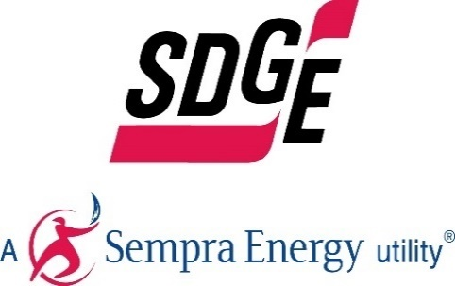

General Instructions

Form Field Key:
Free Form Field
Pull Down Menu

Instructions:
- Follow instructions as they appear in each fields' comments or pop-up messages
- Complete ALL fields. Enter N/A if the question is not applicable. Don't put units in the cells, just the raw numbers. (i.e. 10, not 10 MWh)
- Fill out all fields in the units requested
- Do not add, change, or move any cells, rows, columns or worksheets in the workbook
- Confidential Information should be entered in Red Font
- Limit and focus the discussion of the free form fields
- Submit One Offer Form per offer variation
- There is no limit on the number of Forms that can be submitted. Therefore, respondents are encouraged, but not required, to submit additional offers for our consideration, such as bids with different tenors and escalators

2. Contact Information
Renewable Products Offer Form (2022 BioRAM RPS REC Sale RFP) |  | 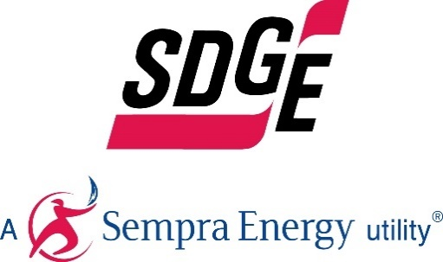

Company Information
Company Name Submitting Offer:
Company Name on Potential Contract:
Company Address:
Company City
Company State
Company Zip
Company Country
Is the company Women/Minority/Disabled Veteran owned Business Enterprise as per CPUC General Order 156?
How did the company hear of the RFP? (SDG&E website, SDG&E email, Colleague, Other (please elaborate)
Does the Developer have the appropriate experience?

Company Representative
 | Primary Contact | Secondary Contact
Contact Name:
Contact Title:
Office Number:
Cell Number:
Email:
Is the Respondent an affiliate of SDG&E?
Does the Respondent have one or more contracts with SDG&E?

Corporate Profile and Experience
Describe your corporate background and organizational structure for the project. Please submit a complete organizational chart with all affiliates and parents.
You must list all companies who participated in putting together this offer and who helped prepare documents.

3. Product & Bid Information
Renewable Products Offer Form (2022 BioRAM RPS REC Sale RFP) |  |  | 

Product Information
Product: | Bundled Energy Product
Point of Delivery: | TH_NP_GEN-APND

Comments / Other Information
Is there additional relevant information necessary for SDG&E to evaluate the merits of the proposal?

Quantitative Description
Provide Bid Quantity and Bid Price in the schedule below.

Annually
Date | Bid Quantity (RECs or MWhs) | Green Attributes Price ($/MWh)
*July - December 2022
2023
2024
2025
2026
2027

